Delete
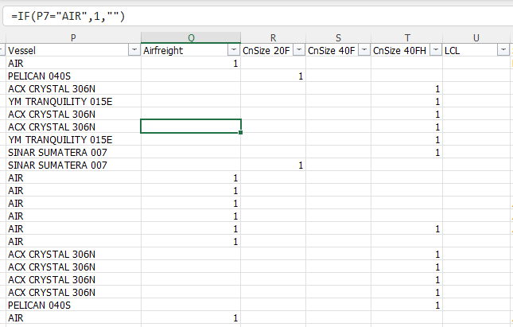
duplicate invoice = none
missing value = transportation

 | term

format | every column from general to text, date, number (NO TEXT, NOCALCULATION)

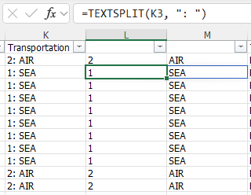
text eplit

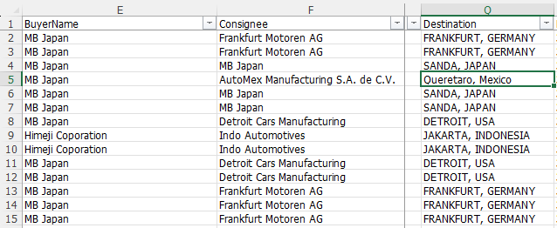
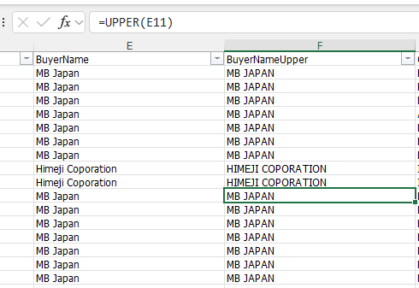

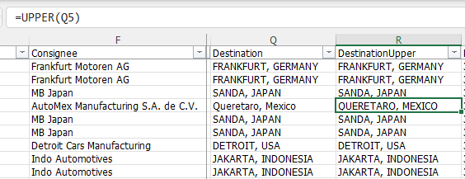

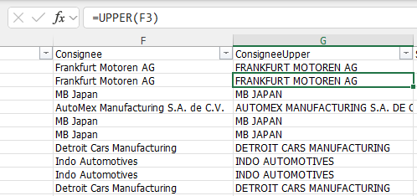
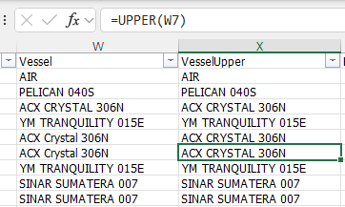

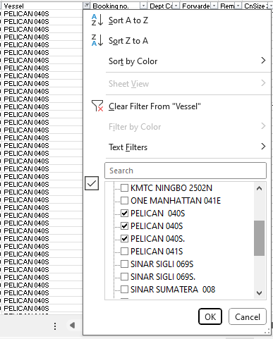

change to the same name

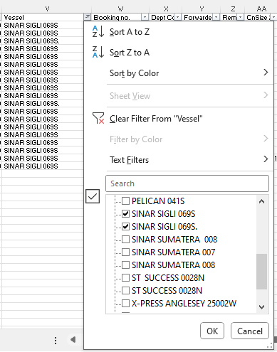
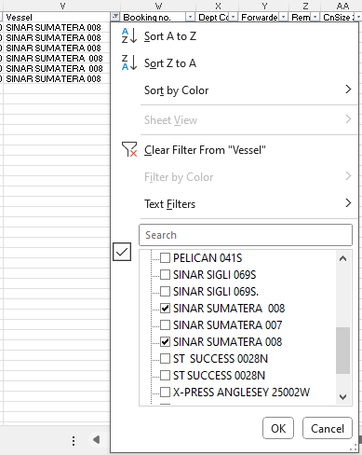
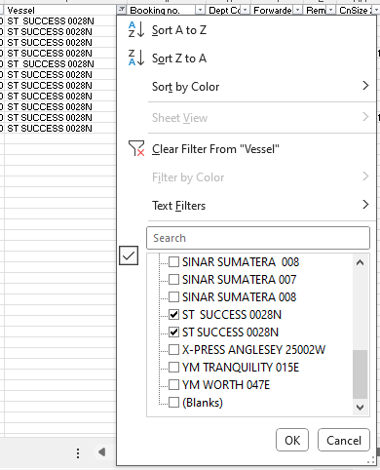
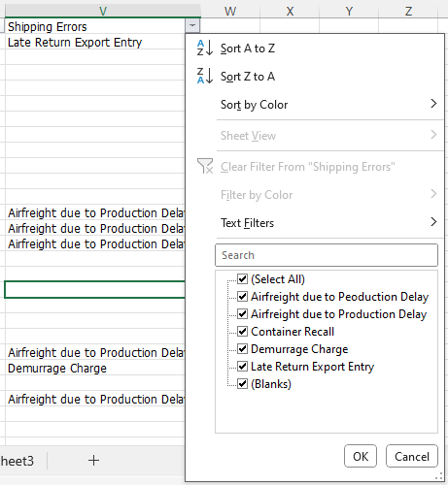

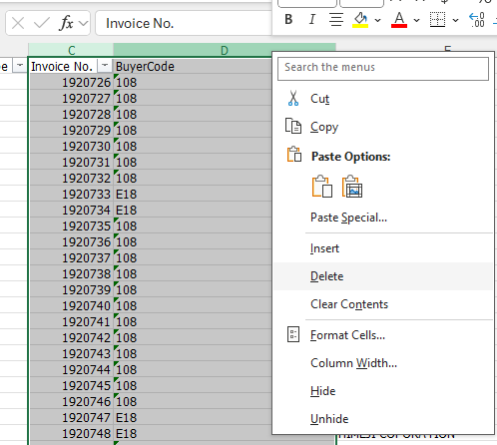
drop columns

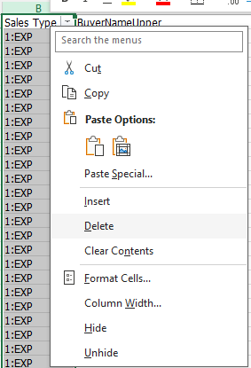

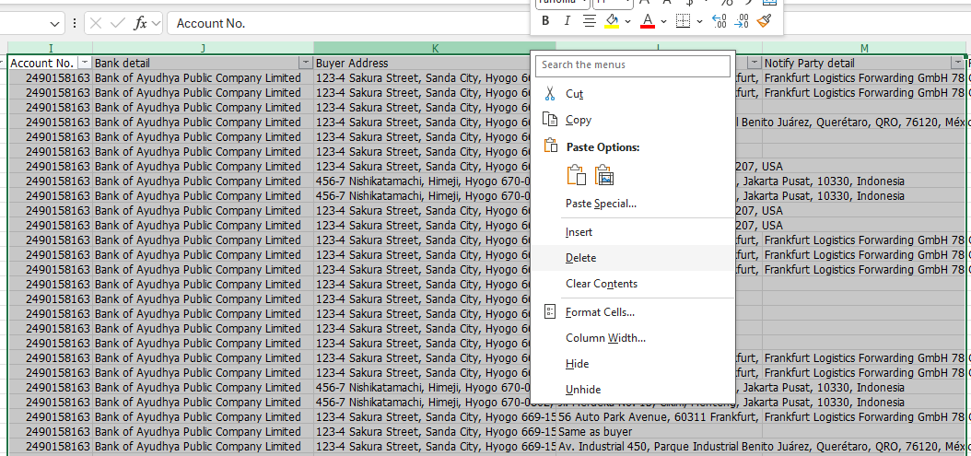

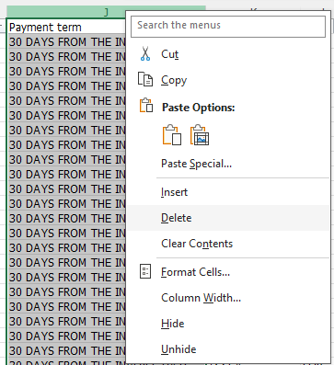
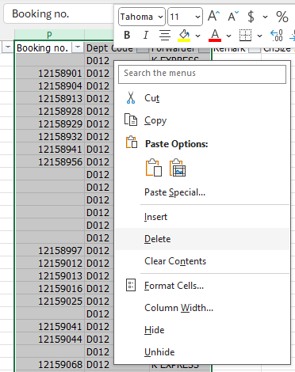

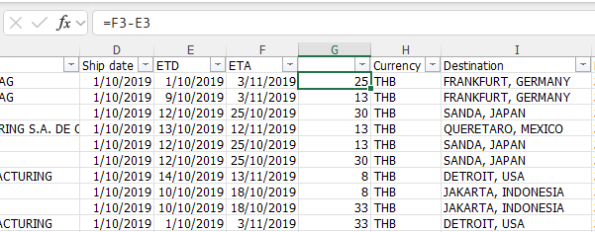

caluculate leadtime

add air count

Root cause analysis
Root Cause Analysis - Fish Bone Diagram

Purpose
- This Fishbone Diagram aims to identify, analsze, and visually map out the potential factors contributing to the root cause of late export declarations for shipments between October and December 2019.
- It helps break down complex issues into more manageable components for effective problem-solving.

Diagram
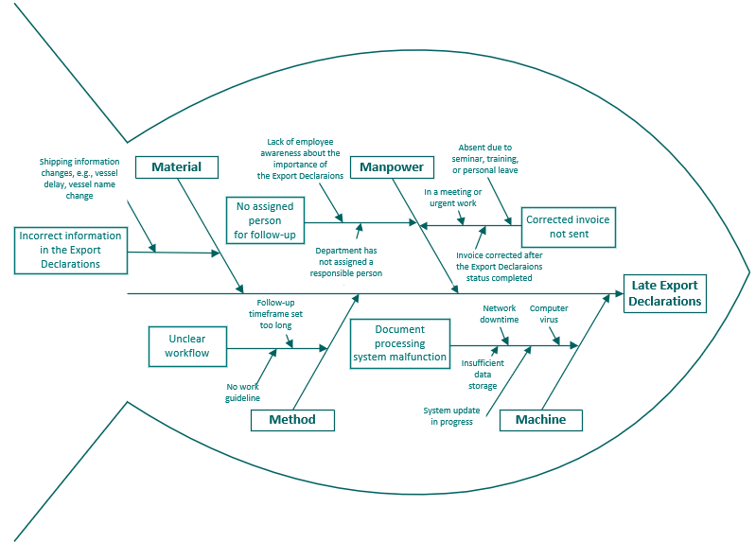

Structure

Head | The problem | Late Export Declarations
Spine | Main causes | Sub-causes | Root causes
 | Manpower | No assigned person to follow up | Lack of employee awareness about the importance of the Export Declaraions
 |  |  | Department has not assigned a responsible person
 |  | Correct invoice not sent | Absent due to seminar, training, or personal leave
 |  |  | In a meeting or urgent work
 |  |  | Invoice corrected after the Export Declarations status completed
 | Material | Incorrect information in the Export Declarations | Shipping information changes, e.g., vessel delay, vessel name change
 | Method | Unclear workflow | Follow-up timeframe set too long
 |  |  | No work guideline
 | Machine | Document processing system malfunction | Network downtime
 |  |  | Computer virus
 |  |  | Insufficient data storage
 |  |  | System update in progress

Pivot table
Overview

Before Improvement

1. Total Shipping Errors
- The data highlights that Late Export Declarations and Airfreight due to Production Delay were the most significant contributors to shipping errors, accounting for over 96% of total issues. - However, since the Marketing Department cannot resolve production delays, the focus was first placed on addressing Late Export Declarations.
Total Shipping Errors
Ship date | (All)

 | Values
Shipping Errors | Quantity | Percentage
Late Export Declarations | 149 | 52%
Airfreight due to Production Delay | 128 | 44.8%
Demurrage Charge | 6 | 2.1%
Container Recall | 3 | 1.0%
Grand Total | 286 | 100%

2. Late Export Declaraions by Consignee
- MB JAPAN is the primary concern, as it represents the bulk of Late Export Declarations. - Focusing on resolving issues related to MB JAPAN first would likely have the most impact on reducing Late Export Declarations.
Late Export Declarations by Consignee
Shipment quantity
Shipping Errors | Consignee | Total
Late Export Declarations | MB JAPAN | 128
 | FRANKFURT MOTOREN AG | 14
 | AUTOMEX MANUFACTURING S.A. DE C.V. | 3
 | DETROIT CARS MANUFACTURING | 2
 | HIMEJI COPORATION | 1
 | DUSSELDORF AUTO GMBH | 1
Late Export Declarations Total |  | 149
Grand Total |  | 149

3. Late Export Declarations by Transportation
- Air shipments have the highest number of Late Export Declarations (85 cases, 57.05%) compared to sea shipments (64 cases, 42.95%). - Since Air shipments have more delays, this suggests potential issues such as last-minute document processing, customs clearance delays, or tight shipping schedules. - Even though Sea shipments have fewer late declarations, they still contribute significantly (almost 43%), meaning there may be inefficiencies in sea freight scheduling or documentation as well.
Late Export Declarations by Transportation
 |  | Values
Shipping Errors | Transportation | Quantity | Percentage
Late Export Declarations | AIR | 85 | 57.05%
 | SEA | 64 | 42.95%
Late Export Declarations Total |  | 149 | 100.00%
Grand Total |  | 149 | 100.00%

4. Late Export Declarations by Leadtime
- The majority of Late Export Declarations occur within short lead times (3 to 7 days), which corresponds to the lead time of air shipments. - 3-day lead time has the highest number (85 cases), followed by 7 days (22 cases) and 8 days (17 cases). - As the lead time increases beyond 10 days, the number of late declarations significantly decreases.

Late Export Declarations by leadtime
Count of Invoice No.
Shipping Errors | Leadtime (Days) | Total
Late Export Declarations | 3 | 85
 | 7 | 22
 | 8 | 17
 | 9 | 7
 | 10 | 4
 | 12 | 7
 | 30 | 1
 | 31 | 1
 | 32 | 3
 | 36 | 2
Late Export Declarations Total |  | 149
Grand Total |  | 149

After Improvement

1. Shipping Errors overtime
- The data highlights a significant reduction in Late Export Declarations after January 2020 compared to the previous months (Oct-Dec 2019), indicating successful process improvements. - Before the improvement, there were 149 cases in Q4 2019, which dropped to 0 cases in Q1 2020—a 100% reduction, demonstrating a sustained positive trend rather than a one-time fix. - The reduction is likely due to better process controls including clear workflow and a support from automated email.

Ship date | (All)

Shipment quantity |  | Shipping Errors
Year | Month | Airfreight due to Production Delay | Container Recall | Demurrage Charge | Late Export Declarations | Grand Total
2019 | Oct | 44 | 2 | 2 | 69 | 117
 | Nov | 34 |  |  | 47 | 81
 | Dec | 19 |  | 3 | 33 | 55
2019 Total |  | 97 | 2 | 5 | 149 | 253
2020 | Jan | 15 |  |  |  | 15
 | Feb | 10 | 1 |  |  | 11
 | Mar | 6 |  | 1 |  | 7
2020 Total |  | 31 | 1 | 1 |  | 33
Grand Total |  | 128 | 3 | 6 | 149 | 286

 | Airfreight due to Production Delay | Container Recall | Demurrage Charge | Late Export Declarations
Oct | 44 | 2 | 2 | 69
Nov | 34 |  |  | 47
Dec | 19 |  | 3 | 33
Jan | 15
Feb | 10 | 1
Mar | 6 |  | 1

Process Improvement started

Before Improvement
After Improvement

Overview Dashboard
Overview Dashboard: Late Export Declarations

Total shipping errors
 | Quantity | Percentage
Late Export Declarations | 149 | $1
Airfreight due to Production Delay | 128 | $0
Demurrage Charge | 6 | $0
Container Recall | 3 | $0
Late Export Declarations by Consignee
 | Total
MB JAPAN | 128
FRANKFURT MOTOREN AG | 14
AUTOMEX MANUFACTURING S.A. DE C.V. | 3
DETROIT CARS MANUFACTURING | 2
HIMEJI COPORATION | 1
DUSSELDORF AUTO GMBH | 1
Late Export Declarations by Transportations
 | Quantity | Percentage
AIR | 85 | 57.05%
SEA | 64 | 42.95%

Late Export Declarations by leadtime
 | Total
3 | 85
7 | 22
8 | 17
9 | 7
10 | 4
12 | 7
30 | 1
31 | 1
32 | 3
36 | 2
Shipping Errors over Period
 | Airfreight due to Production Delay | Container Recall | Demurrage Charge | Late Export Declarations
Oct | 44 | 2 | 2 | 69
Nov | 34 |  |  | 47
Dec | 19 |  | 3 | 33
Jan | 15
Feb | 10 | 1
Mar | 6 |  | 1

Process Improvement started

Before Improvement
After Improvement

Workflow
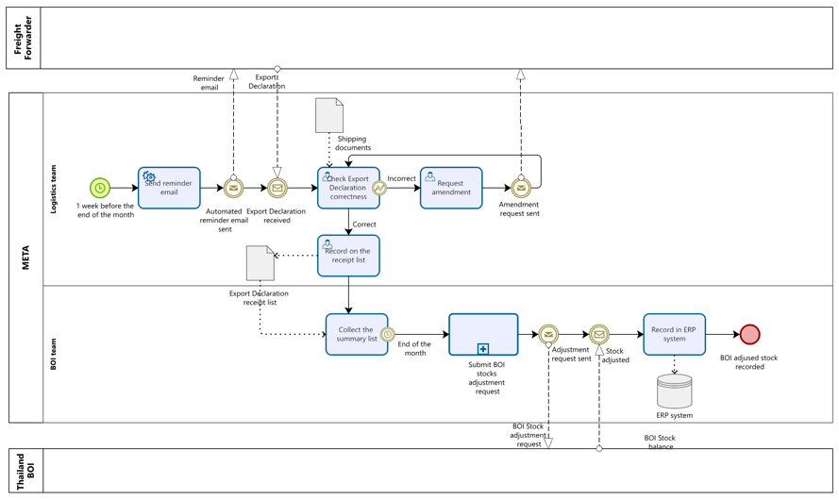
Workflow

AS-IS Process
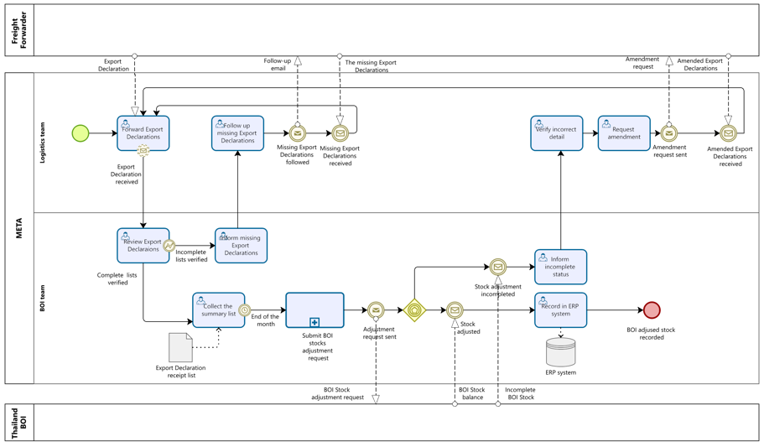

This process flow represents the existing Export Declaration & BOI Stock Adjustment process, involving Freight Forwarders, Logistics Teams, META, and Thailand BOI.

Key Issues Identified
1. Delays due to Missing Export Declarations → The process relies on follow-ups, which may cause delays.
2. Error Corrections & Amendments → Verifying incorrect details and requesting amendments adds extra steps.
3. Stock Adjustment Bottlenecks → If stock adjustments are incomplete, further actions are required, delaying ERP updates.

TO-BE Process

